Case 1 (Problem)
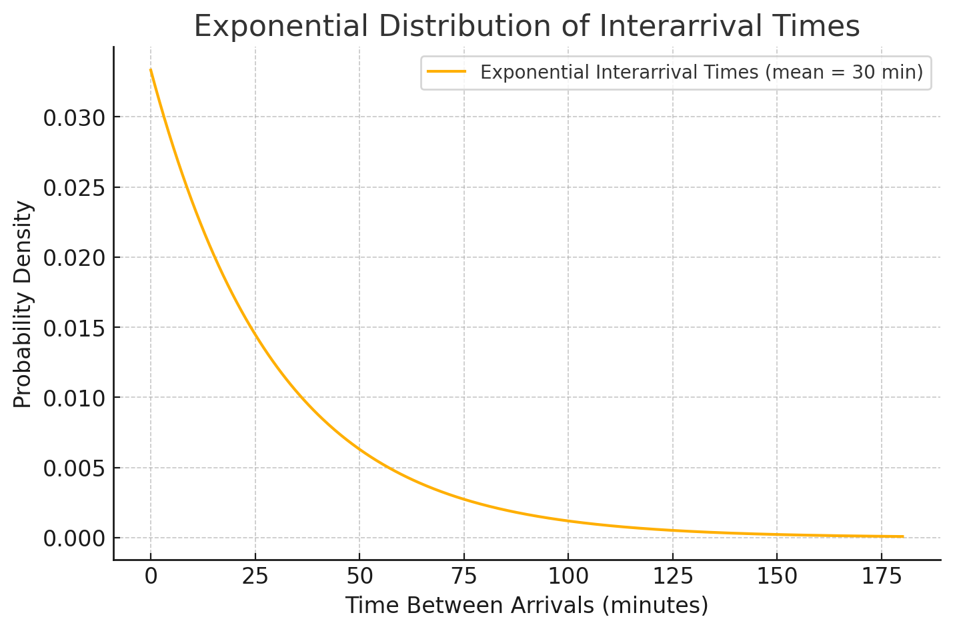
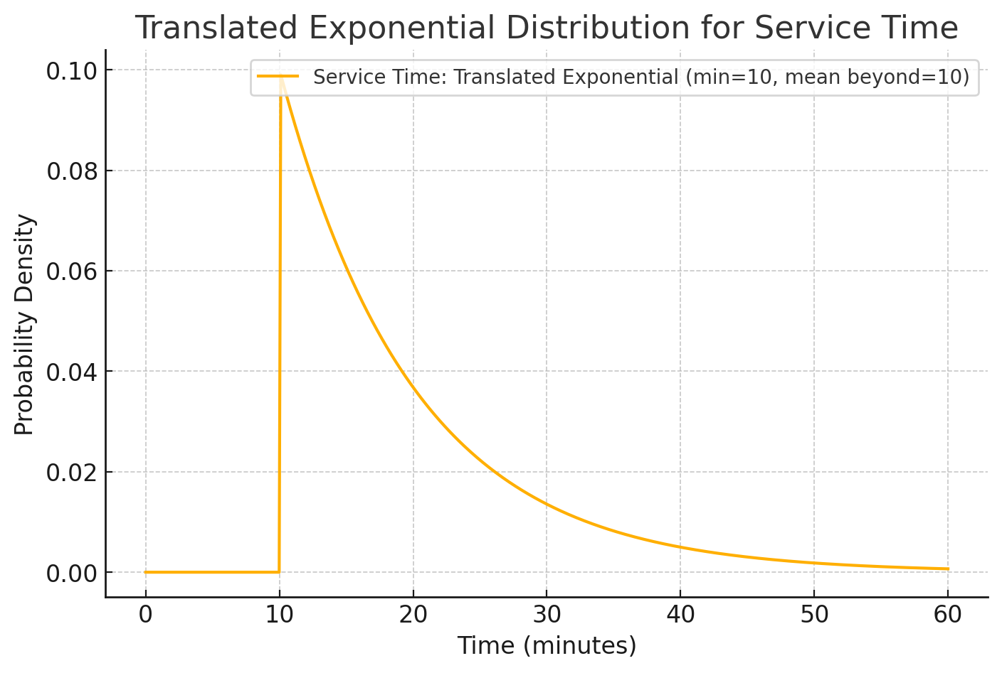
The company has two planers for cutting flat smooth surfaces in large castings.
1- One is to form the top surface of the platen for large hydraulic lifts.
2- The other is to form the mating surface of the final drive housing for a large piece of earthmoving equipment.
Service Time
For each platen or each housing, the time required by a planer has a translated exponential distribution, where the minimum time is 10 minutes and the additional time beyond 10 minutes has an exponential distribution with a mean of 10 minutes.
Interarrival Times (is exponential, because arrival is random)
1- For the castings for forming platens, the arrivals occur randomly with a mean rate of two per hour.
2- For the castings for forming housings, the arrivals also occur randomly with a mean rate of two per hour.

Case 1 (Current Situation)
2 housings per hour + 2 platens per hour = 1 every 15 minutes.
Template for Queueing Simulation

 |  | Data |  |  |  | Results
 | Number of Servers = | 2 |  |  | Point | 95% Confidence Interval
 |  |  |  |  | Estimate | Low | High
 | Interarrival Times |  |  | L = | 2.0343979674 | 1.9170691972 | 2.1517267375
 | Distribution = | Exponential |  | Lq = | 0.69705618244 | 0.60240646451 | 0.79170590036
 | Mean = | 15 |  | W = | 30.187145586 | 28.823416155 | 31.550875016
 |  |  |  | Wq = | 10.343176113 | 9.0578560569 | 11.628496169

 | Service Times |  |  | P0 = | 0.19429472443 | 0.18292246116 | 0.20566698769
 | Distribution = | Translated Exponential |  | P1 = | 0.27406876619 | 0.26290349016 | 0.28523404222
 | Minimum Value = | 10 |  | P2 = | 0.2211245646 | 0.21314447302 | 0.22910465619
 | Mean = | 20 |  | P3 = | 0.13376204368 | 0.12703547349 | 0.14048861387
 |  |  |  | P4 = | 0.080125529275 | 0.073604036984 | 0.086647021566
 | Length of Simulation Run |  |  | P5 = | 0.043300546457 | 0.037873330074 | 0.048727762841
 | Number of Arrivals = | 10,000 |  | P6 = | 0.024815069044 | 0.02015816842 | 0.029471969668
Trans Exp min 10, additional time exp mean of 10 minutes. So mean is 10 + 10 = 20 min.
 |  |  |  | P7 = | 0.013254536048 | 0.0093757152472 | 0.017133356849
 |  |  |  | P8 = | 0.0068943612683 | 0.0039272570684 | 0.0098614654682
Run Simulation
 |  |  |  | P9 = | 0.0040483819644 | 0.0017085761323 | 0.0063881877964
 |  |  |  | P10 = | 0.0022260374983 | 0.00060146711062 | 0.003850607886

Current Situation: A simulation run indicates that the average number of jobs in the system is 2.0.
Of these, half will be platen (1) and half will be housing (1).
The waiting cost is therefore ($200)(1) + ($100)(1) = $300 / hour.
 | Current Situation |  | Cost / hr | Total Cost
 | Avg. No. of Jobs in the system = | 2
 | No. of Housings in the system = | 1 | $100.00 | $100.00
 | No. of Platens in the system = | 1 | $200.00 | $200.00
 |  |  | Total | $300.00

Case 1 (Proposal 1)
In proposal 1, we are adding a new planer. Everything else is the same.
Template for Queueing Simulation

 |  | Data |  |  |  | Results
 | Number of Servers = | 3 |  |  | Point | 95% Confidence Interval
 |  |  |  |  | Estimate | Low | High
 | Interarrival Times |  |  | L = | 1.4014204925 | 1.3635551611 | 1.4392858239
 | Distribution = | Exponential |  | Lq = | 0.08716918051 | 0.074070412835 | 0.10026794818
 | Mean = | 15 |  | W = | 21.173856843 | 20.858235355 | 21.489478332
 |  |  |  | Wq = | 1.3170263737 | 1.1313671054 | 1.502685642

 | Service Times |  |  | P0 = | 0.25294551336 | 0.24325325427 | 0.26263777245
 | Distribution = | Translated Exponential |  | P1 = | 0.34879407779 | 0.34069959127 | 0.35688856431
 | Minimum Value = | 10 |  | P2 = | 0.22932399235 | 0.22258342191 | 0.2360645628
 | Mean = | 20 |  | P3 = | 0.1088557424 | 0.10354496716 | 0.11416651764
 |  |  |  | P4 = | 0.041064663449 | 0.037205404221 | 0.044923922677
 | Length of Simulation Run |  |  | P5 = | 0.013307454193 | 0.011096528951 | 0.015518379435
 | Number of Arrivals = | 10,000 |  | P6 = | 0.0042367036062 | 0.0029466253898 | 0.0055267818226
 |  |  |  | P7 = | 0.00087201299827 | 0.00026081054696 | 0.0014832154496
 |  |  |  | P8 = | 0.00032153857309 | -2.4405620071E-05 | 0.00066748276625
Run Simulation
 |  |  |  | P9 = | 0.00026435597039 | -3.9037180742E-05 | 0.00056774912153
 |  |  |  | P10 = | 1.3945310753E-05 | -1.3369126863E-05 | 4.1259748368E-05

Proposal 1: A simulation run indicates that the average number of jobs in the system with three planers is approximately 1.4.
Of these, half will be platen castings (0.7) and half will be housing castings (0.7).
The waiting cost is therefore ($200)(0.7) + ($100)(0.7) = $210 / hour.
The savings ($90 / hour) is substantially more than the added cost of the third planer ($30 / hour), so this looks to be worthwhile. The net savings would be $60 / hour.
 |  |  | Cost of wait / hr | Total Cost
 | Avg. No. of Jobs in the system = | 1.4
 | No. of Housings in the system = | 0.7 | $100.00 | $70.00
 | No. of Platens in the system = | 0.7 | $200.00 | $140.00
 |  |  | Total | $210.00
 |  |  | Saving | $90.00
 |  |  | Cost of Proposal | $30.00
 |  |  | Net Saving | $60.00

Case 1 (Proposal 2)
In proposal 2, interarrival time is constant (one every 15 min). Everything else is the same.
Template for Queueing Simulation

 |  | Data |  |  |  | Results
 | Number of Servers = | 2 |  |  | Point | 95% Confidence Interval
 |  |  |  |  | Estimate | Low | High
 | Interarrival Times |  |  | L = | 1.3949875318 | 1.3754808825 | 1.414494181
 | Distribution = | Constant |  | Lq = | 0.059571487366 | 0.051573249498 | 0.067569725235
 | Value = | 15 |  | W = | 20.924812976 | 20.632213238 | 21.217412715
 |  |  |  | Wq = | 0.89357231049 | 0.77359874247 | 1.0135458785

 | Service Times |  |  | P0 = | 0.051445914426 | 0.049268954931 | 0.053622873922
 | Distribution = | Translated Exponential |  | P1 = | 0.56169212675 | 0.55154286692 | 0.57184138659
 | Minimum Value = | 10 |  | P2 = | 0.33278698622 | 0.32472950402 | 0.34084446841
 | Mean = | 20 |  | P3 = | 0.049019227378 | 0.043905304622 | 0.054133150134
 |  |  |  | P4 = | 0.0046562008323 | 0.0029549218737 | 0.006357479791
 | Length of Simulation Run |  |  | P5 = | 0.00035831925597 | -1.6795516263E-05 | 0.0007334340282
 | Number of Arrivals = | 10,000 |  | P6 = | 4.1225138948E-05 | -3.9422815754E-05 | 0.00012187309365
 |  |  |  | P7 = | 0 | 0 | 0
 |  |  |  | P8 = | 0 | 0 | 0
Run Simulation
 |  |  |  | P9 = | 0 | 0 | 0
 |  |  |  | P10 = | 0 | 0 | 0

Proposal 2: A simulation indicates that the average number of jobs in the system with constant interarrival times is approximately 1.4.
Of these, half will be platen castings (0.7) and half will be housing castings (0.7).
The waiting cost is therefore ($200)(0.7) + ($100)(0.7) = $210 / hour.
The savings ($90 / hour) is somewhat more than the added cost of changing the preceding production cost ($60 / hour).
The net savings ($30) is less than for proposal 1, so this option is less worthwhile.
 |  |  | Cost of wait / hr | Total Cost
 | Avg. No. of Jobs in the system = | 1.4
 | No. of Housings in the system = | 0.7 | $100.00 | $70.00
 | No. of Platens in the system = | 0.7 | $200.00 | $140.00
 |  |  | Total | $210.00
 |  |  | Saving | $90.00
 |  |  | Cost of Proposal | $60.00
 |  |  | Net Saving | $30.00

Case 1 (Proposal 1-2)
Combine proposals 1 and 2:
3 servers plus interarrival time constant at 15 min.
Template for Queueing Simulation

 |  | Data |  |  |  | Results
 | Number of Servers = | 3 |  |  | Point | 95% Confidence Interval
 |  |  |  |  | Estimate | Low | High
 | Interarrival Times |  |  | L = | 1.3259725843 | 1.3123824306 | 1.339562738
 | Distribution = | Constant |  | Lq = | 0.00090499877319 | 0.0003384477195 | 0.0014715498269
 | Value = | 15 |  | W = | 19.889588765 | 19.685736458 | 20.093441071
 |  |  |  | Wq = | 0.013574981598 | 0.0050767157924 | 0.022073247403

 | Service Times |  |  | P0 = | 0.058569080508 | 0.056409613596 | 0.06072854742
 | Distribution = | Translated Exponential |  | P1 = | 0.59082536591 | 0.58279262404 | 0.59885810777
 | Minimum Value = | 10 |  | P2 = | 0.31757444114 | 0.30997463126 | 0.32517425101
 | Mean = | 20 |  | P3 = | 0.032168003463 | 0.028899762258 | 0.035436244669
 |  |  |  | P4 = | 0.00082121920115 | 0.00036195673768 | 0.0012804816646
 | Length of Simulation Run |  |  | P5 = | 4.1889786021E-05 | -4.0191728186E-05 | 0.00012397130023
 | Number of Arrivals = | 10,000 |  | P6 = | 0 | 0 | 0
 |  |  |  | P7 = | 0 | 0 | 0
 |  |  |  | P8 = | 0 | 0 | 0
Run Simulation
 |  |  |  | P9 = | 0 | 0 | 0
 |  |  |  | P10 = | 0 | 0 | 0
Proposal 1 and 2: Simulation indicates that the average number of jobs in the system with 3 planers and constant interarrival times is approximately 1.33.
Of these, half will be platen castings (0.665) and half will be housing castings (0.665).
The waiting cost is therefore ($200)(0.665) + ($100)(0.665) = $200 / hour.
The savings ($100 / hour) is more than the combined cost of adding a third planer and changing the preceding production cost ($90 / hour).
The net savings ($10) is less than for proposals 1 and 2, so this option is less worthwhile.
Overall recommendation: Proposal 1 appears to be the most worthwhile.
 |  |  | Cost of wait / hr | Total Cost
 | Avg. No. of Jobs in the system = | 1.33
 | No. of Housings in the system = | 0.665 | $100.00 | $66.50
 | No. of Platens in the system = | 0.665 | $200.00 | $133.00
 |  |  | Total | $199.50
 |  |  | Saving | $100.50
 |  |  | Cost of Proposal | $90.00
 |  |  | Net Saving | $10.50

